Read me
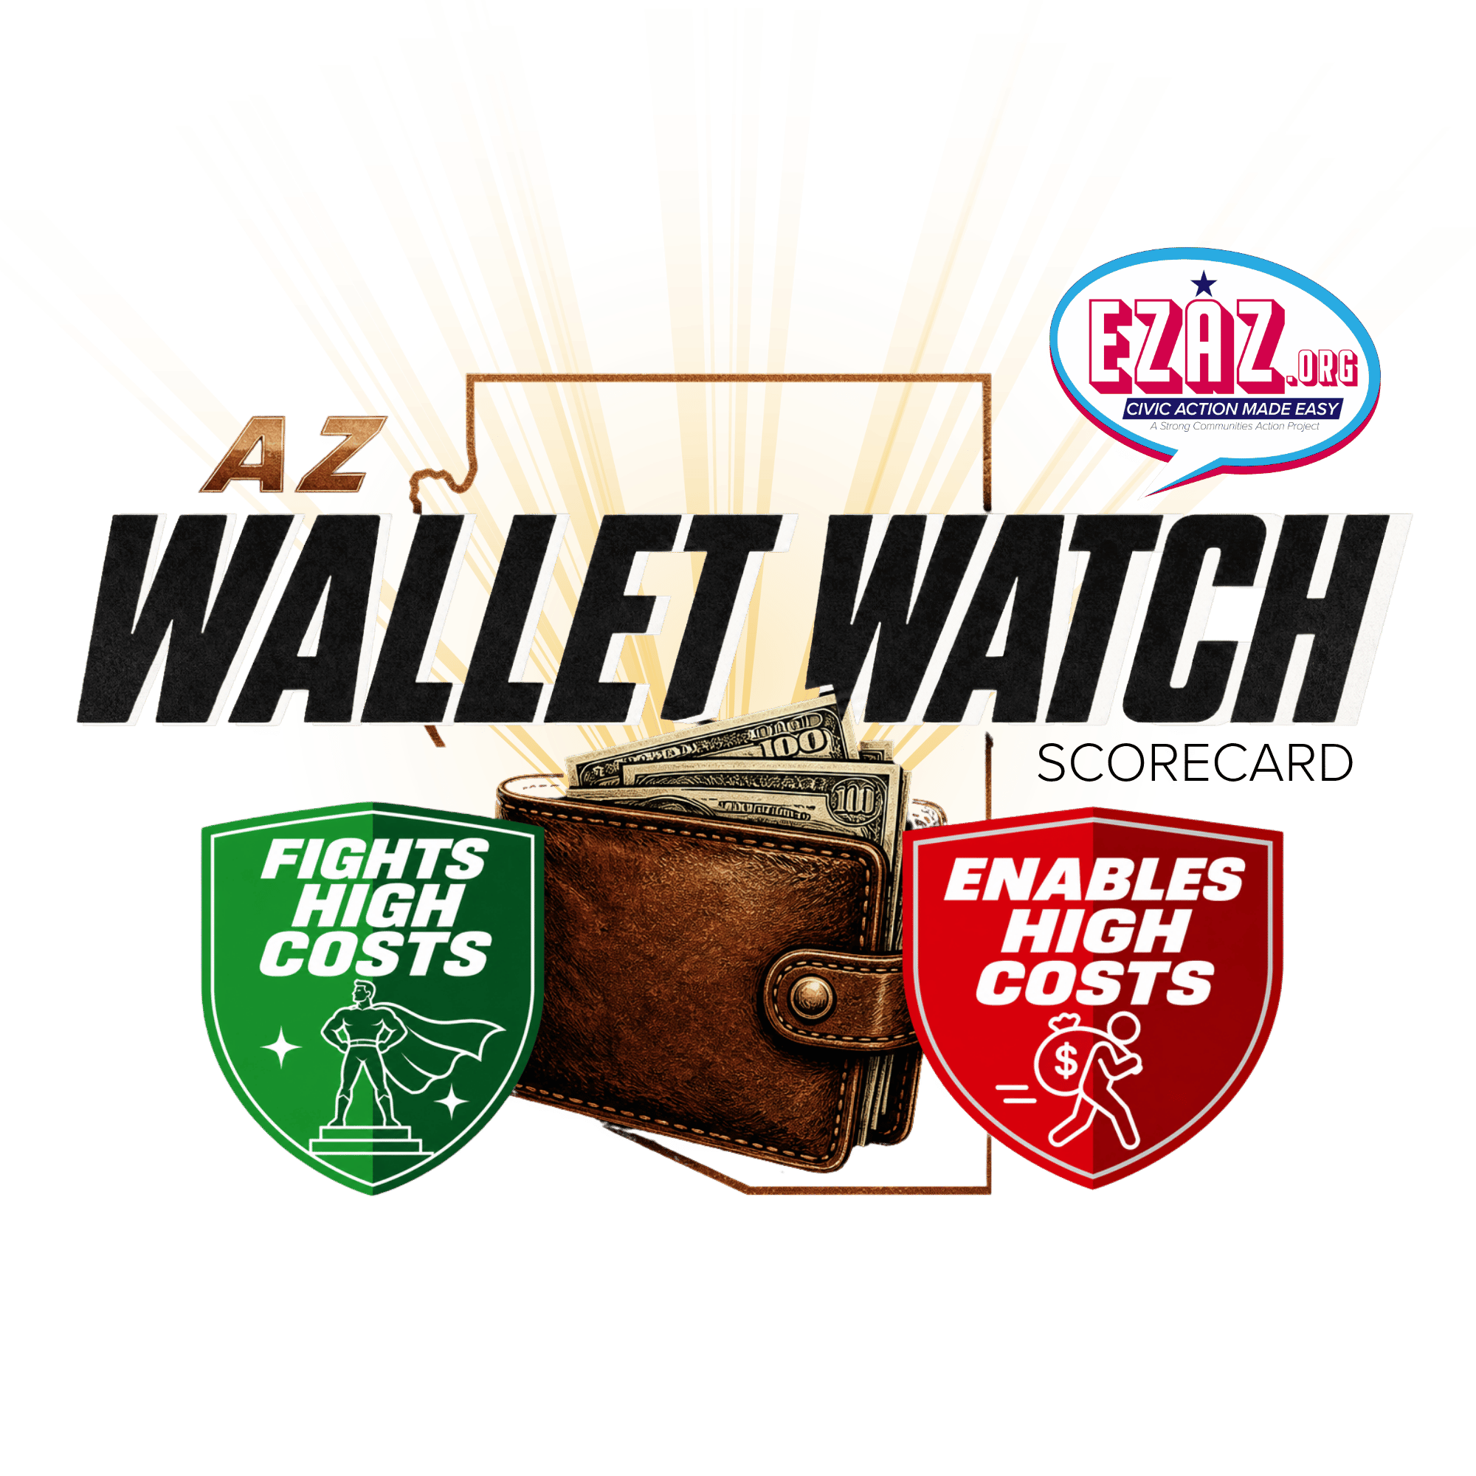
AZ Wallet Watch Scorecard (2023–2026) - azwalletwatch.com

This scorecard covers the 2023, 2024, 2025, and 2026 legislative sessions only. It is not a career score.

How scores work
Combined = points earned ÷ points possible in the years that person actually served. It is not an average of yearly percentages. A blank year means they were not in office that year — not a zero.
Bills scored is how many scored bills that person had (excused NV not counted). Combined % is still earned ÷ possible.
Scorecard Vote
Yes is the Scorecard Vote on Cuts Costs, Get Ahead, and Stops Waste bills; No on Raises Costs. One scored bill is one point even when it has two category tags.

Missed votes (NV)
Not Voting (NV) is excused only if they were excused that day, or they cast no other Yea or Nay that day. If they voted other bills that day, Not Voting counts against them.

Governor Katie Hobbs
The governor is scored on Sign vs Veto only, not a floor vote. Bills that never reached her desk are blank.

Sheets
Scores — one row per person, with yearly and combined percentages.
Bills — every scored bill in this window, with the Scorecard Vote and whether the governor signed or vetoed it.
Votes 2023 / 2024 / 2025 / 2026 — each member’s vote, What it does, Category, Scorecard Vote, Result (👍 or 👎), and Why when the vote did not match the scorecard (or excused NV).
Hobbs — only bills she signed or vetoed, with Scorecard action, Result (👍 or 👎), and Why when 👎.

Name aliases — Jones/Keshel, Travers, and Contreras are combined into one row each. Lupe Contreras is a different person and is not combined.

Document created by Grok AI.

